Foglio1
 | GUT STRINGS CALCULATOR
 | BASS VIOL

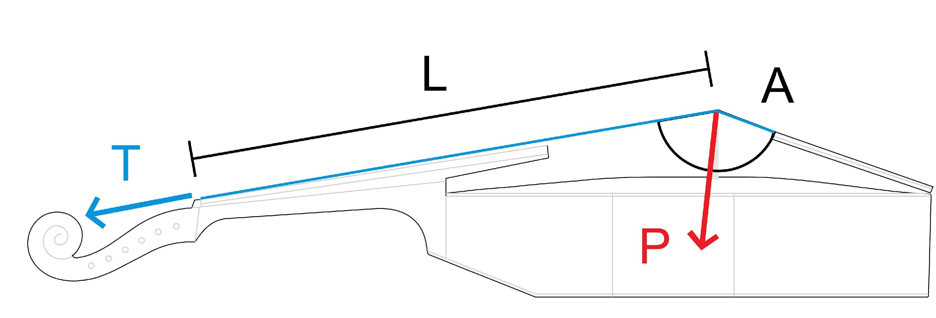

 | PITCH | (Hz) | 415

L | LENGTH | (cm) | 70.0
Replace the reference values in the grey fields with yours, the results will display immediately.
Notes:
The specific weight of gut is set at 1300 Kg/m³.
The terms: SCALE, TENSION and PRESSURE are not applied in a strictly scientific manner.
If you find errors in this calculator or have suggestions for an improved version, please email: info@franciscopecchia.com
 |  |  | d' | a | e | c | G | D | AA | TOTAL | AVERAGE

 | FREQUENCY | (Hz) | 277.0 | 207.5 | 155.5 | 123.4 | 92.4 | 69.3 | 51.9

 | STRING GAUGE | (mm) | 0.76 | 0.98 | 1.28 | 1.60 | 2.15 | 2.90 | 3.90

T | TENSION | (kg) | 9.0 | 8.4 | 8.1 | 8.0 | 8.1 | 8.2 | 8.4 | 58.2 | 8.3

A | ANGLE | (º) | 154.0 | 153.0 | 152.0 | 151.0 | 151.0 | 152.0 | 153.0 |  | 152.3

P | PRESSURE | (kg) | 4.1 | 3.9 | 3.9 | 4.0 | 4.0 | 4.0 | 4.0 | 28.0

