Foglio1
 | GUT STRINGS CALCULATOR
 | PARDESSUS / QUINTON

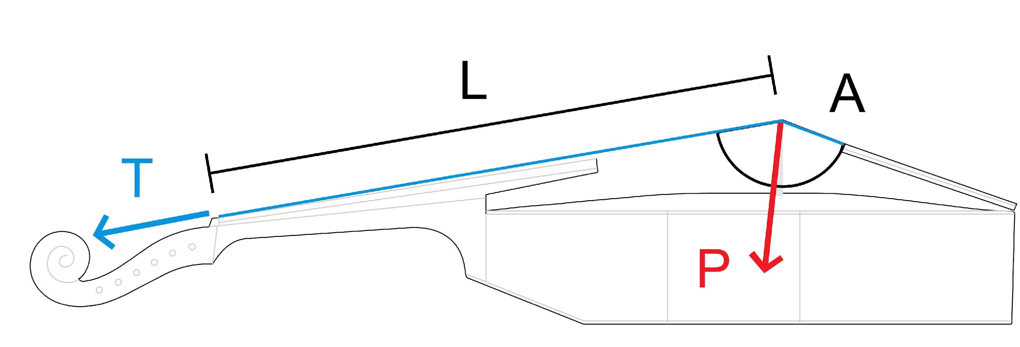

 | PITCH | (Hz) | 415

L | LENGTH | (cm) | 32.0

Replace the reference values in the grey fields with yours, the results will display immediately.
Notes:
The specific weight of gut is set at 1300 Kg/m³.
The terms: SCALE, TENSION and PRESSURE are not applied in a strictly scientific manner.
If you find errors in this calculator or have suggestions for an improved version, please email: info@franciscopecchia.com
 |  |  | g” | d” | a’ | d’ | g | TOTAL | AVERAGE

 | FREQUENCY | (Hz) | 739.4 | 554.0 | 415.0 | 277.0 | 184.9

 | STRING GAUGE | (mm) | 0.52 | 0.64 | 0.84 | 1.25 | 1.90

T | TENSION | (kg) | 6.3 | 5.4 | 5.2 | 5.1 | 5.3 | 27.2 | 5.4

A | ANGLE | (º) | 159.0 | 158.0 | 157.0 | 157.5 | 158.5 |  | 158.0

P | PRESSURE | (kg) | 2.3 | 2.0 | 2.1 | 2.0 | 2.0 | 10.4

